Sheet1
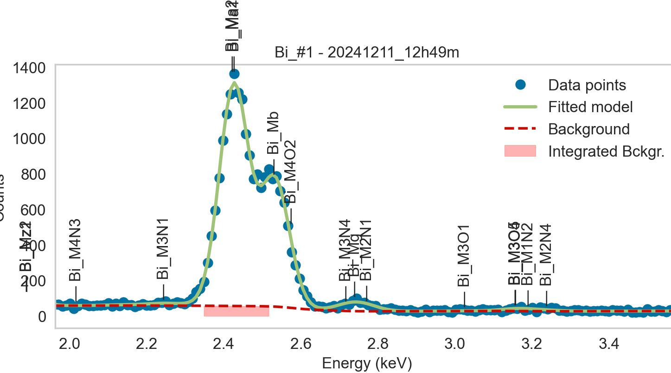
Weights calibrated measuring a pure Bi standard, bulk, polished |  |  |  |  |  |  | M3_O5 added despite beiong missing from NIST databse, because it seemed like it was present in the spectra
Area of all peaks is fitted
A constant shift or broadening is maintained across all peaks

Bi |  | Meas 1 | Meas 2 | Meas 3 | Meas 4 | Meas 5 | Meas 6 | Meas 7 | Meas 8 | Meas 9 | Meas 10
Ma1 |  | 56.338 | 59.239 | 56.229 | 56.691 | 57.001 | 58.942 | 58.445 | 58.795 | 56.314 | 57.773
Ma2 | area fixed | 56.338 | 59.239 | 56.229 | 56.691 | 57.001 | 58.942 | 58.445 | 58.795 | 56.314 | 57.773
M3N1 |  | 0.568 | 1.642 | 1.843 | 1.4 | 0.961 | 1.604 | 1.375 | 1.502 | 0.809 | 0.938
M5O3 |  | 8.413 | 3.422 | 12.842 | 10.6 | 7.615 | 5.092 | 7.004 | 1.179 | 9.05 | 5.864
Mb |  | 62.39 | 69.528 | 62.922 | 66.2 | 67.972 | 69.347 | 70.539 | 70.854 | 66.002 | 69.179
M4O2 |  | 2.863 | 0.8 | 3.121 | 1.489 | 0.001 | 0.202 | 0.005 | 0 | 0.03 | 0
M3N4 |  | 2.066 | 2.57 | 1.751 | 1.034 | 2.333 | 5.393 | 4.323 | 0.767 | 3.383 | 4.961
Mg |  | 1.564 | 2.991 | 2.467 | 2.859 | 1.612 | 0.001 | 0.039 | 4.724 | 0.001 | 0.013
M2N1 |  | 2.323 | 0.121 | 1.31 | 1.018 | 1.721 | 1.97 | 1.097 | 0 | 2.121 | 1.299
M3N4 + Mg + M2N1 |  | 5.953 | 5.682 | 5.528 | 4.911 | 5.666 | 7.364 | 5.459 | 5.491 | 5.505 | 6.273

Line | Original w | Meas 1 | Meas 2 | Meas 3 | Meas 4 | Meas 5 | Meas 6 | Meas 7 | Meas 8 | Meas 9 | Meas 10 | Mean | Stdev | Er (%)
Ma1 | 1 | 1.0000 | 1.0000 | 1.0000 | 1.0000 | 1.0000 | 1.0000 | 1.0000 | 1.0000 | 1.0000 | 1.0000 | 1.0000
Ma2 | 1 | 1.0000 | 1.0000 | 1.0000 | 1.0000 | 1.0000 | 1.0000 | 1.0000 | 1.0000 | 1.0000 | 1.0000 | 1.0000
M3N1 | 0.02474 | 0.0101 | 0.0277 | 0.0328 | 0.0247 | 0.0169 | 0.0272 | 0.0235 | 0.0255 | 0.0144 | 0.0162 | 0.0219 | 0.0071 | 32.57
M5O3 | 0.001 | 0.1493 | 0.0277 | 0.0328 | 0.0247 | 0.0169 | 0.0272 | 0.0235 | 0.0255 | 0.0144 | 0.0162 | 0.0358 | 0.0403 | 112.49
Mb | 0.64 | 1.1074 | 1.1737 | 1.1190 | 1.1677 | 1.1925 | 1.1765 | 1.2069 | 1.2051 | 1.1720 | 1.1974 | 1.1718 | 0.0340 | 2.90
M4O2 | 0.01 | 0.0508 | 0.0135 | 0.0555 | 0.0263 | 0.0000 | 0.0034 | 0.0001 | 0.0000 | 0.0005 | 0.0000 | 0.0150 | 0.0218 | 145.45
M5O3 + Mb + M4O2 | 0.6510 | 1.3076 | 1.2149 | 1.2073 | 1.2187 | 1.2093 | 1.2072 | 1.2305 | 1.2306 | 1.1869 | 1.2137 | 1.2227 | 0.0324 | 2.65
M3N4 | 0.05 | 0.0367 | 0.0434 | 0.0311 | 0.0182 | 0.0409 | 0.0915 | 0.0740 | 0.0130 | 0.0601 | 0.0859 | 0.0495 | 0.0273 | 55.21
Mg | 0.21845 | 0.0278 | 0.0505 | 0.0439 | 0.0504 | 0.0283 | 0.0000 | 0.0007 | 0.0803 | 0.0000 | 0.0002 | 0.0282 | 0.0281 | 99.46
M2N1 | 0.00285 | 0.0412 | 0.0020 | 0.0233 | 0.0180 | 0.0302 | 0.0334 | 0.0188 | 0.0000 | 0.0377 | 0.0225 | 0.0227 | 0.0138 | 60.86
M3N4 + Mg + M2N1 | 0.2713 | 0.1057 | 0.0959 | 0.0983 | 0.0866 | 0.0994 | 0.1249 | 0.0934 | 0.0934 | 0.0978 | 0.1086 | 0.1004 | 0.0106 | 10.59

The fitting of peaks M3N4 + Mg + M2N1 varies, but their sum is constant and equal to 0.0105
So we use the original ratios to diustribute the sum among the 3 peaks, giving:

 | M3N4 | Mg | M2N1 | Sum |  |  |  |  | M5O3 | Mb | M4O2 | Sum
Original ratio | 0.1843 | 0.8052 | 0.0105 |  |  |  |  | Original ratio | 0.0015 | 0.9831 | 0.0154
Resulting weights: | 0.0185 | 0.0808 | 0.0011 | 0.1004 |  |  |  | Resulting weights: | 0.0019 | 1.2020 | 0.0188 | 1.2227
 |  |  |  |  |  |  |  |  | Too far from the fitted values! We use the fitted vals

 |  | Without fixing the peaks above:

